AFLIBER Data
 |  |  |  |  |  |  |  |  |  |  |  |  |  |  |  |  |  |  |  |  | Species Number | S1 | S2 | S3
 |  |  |  |  |  |  |  |  |  |  |  |  |  |  |  |  |  |  |  |  | Species Name | Lythrum salicaria | Lycopus europaeus | Lonicera periclymenum hispanica
Area of Analysis |  |  |  |  |  |  |  |  |  |  |  |  |  |  |  |  |  |  |  |  | Species Locations (29SND) ND | 29SND97 | 29SND98 | 29SND99
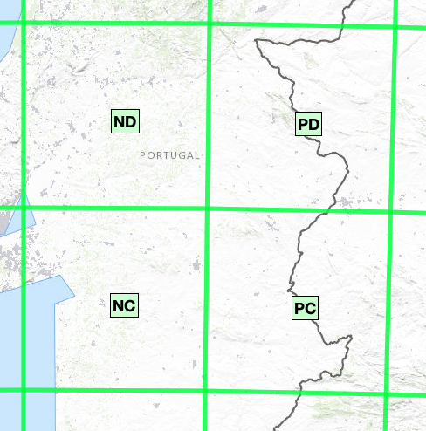
 |  |  |  |  |  |  |  |  |  |  |  |  |  |  |  |  |  |  |  |  |  | 29SND96 | 29SND97 | 29SND96
 |  |  |  |  |  |  |  |  |  |  |  |  |  |  |  |  |  |  |  |  |  | 29SND95 | 29SND96 | 29SND95
 |  |  |  |  |  |  |  |  |  |  |  |  |  |  |  |  |  |  |  |  |  | 29SND87 | 29SND95 | 29SND94
 |  |  |  |  |  |  |  |  |  |  |  |  |  |  |  |  |  |  |  |  |  | 29SND86 | 29SND85 | 29SND89
 |  |  |  |  |  |  |  |  |  |  |  |  |  |  |  |  |  |  |  |  |  | 29SND85 | 29SND82 | 29SND85
 |  |  |  |  |  |  |  |  |  |  |  |  |  |  |  |  |  |  |  |  |  | 29SND82 | 29SND78 | 29SND82
 |  |  |  |  |  |  |  |  |  |  |  |  |  |  |  |  |  |  |  |  |  | 29SND79 | 29SND70 | 29SND79
 |  |  |  |  |  |  |  |  |  |  |  |  |  |  |  |  |  |  |  |  |  | 29SND78 | 29SND69 | 29SND77
 |  |  |  |  |  |  |  |  |  |  |  |  |  |  |  |  |  |  |  |  |  | 29SND77 | 29SND67 | 29SND72
 |  |  |  |  |  |  |  |  |  |  |  |  |  |  |  |  |  |  |  |  |  | 29SND72 | 29SND66 | 29SND64
 |  |  |  |  |  |  |  |  |  |  |  |  |  |  |  |  |  |  |  |  |  | 29SND70 | 29SND64 | 29SND61
 |  |  |  |  |  |  |  |  |  |  |  |  |  |  |  |  |  |  |  |  |  | 29SND66 | 29SND60 | 29SND57
 |  |  |  |  |  |  |  |  |  |  |  |  |  |  |  |  |  |  |  |  |  | 29SND64 | 29SND59 | 29SND56
 |  |  |  |  |  |  |  |  |  |  |  |  |  |  |  |  |  |  |  |  |  | 29SND61 | 29SND58 | 29SND51
 |  |  |  |  |  |  |  |  |  |  |  |  |  |  |  |  |  |  |  |  |  | 29SND60 | 29SND57 | 29SND50
 |  |  |  |  |  |  |  |  |  |  |  |  |  |  |  |  |  |  |  |  |  | 29SND59 | 29SND56 | 29SND49
 |  |  |  |  |  |  |  |  |  |  |  |  |  |  |  |  |  |  |  |  |  | 29SND58 | 29SND51 | 29SND39
 |  |  |  |  |  |  |  |  |  |  |  |  |  |  |  |  |  |  |  |  |  | 29SND57 | 29SND50 | 29SND34
 |  |  |  |  |  |  |  |  |  |  |  |  |  |  |  |  |  |  |  |  |  | 29SND56 | 29SND49 | 29SND32
 |  |  |  |  |  |  |  |  |  |  |  |  |  |  |  |  |  |  |  |  |  | 29SND53 | 29SND48 | 29SND16
 |  |  |  |  |  |  |  |  |  |  |  |  |  |  |  |  |  |  |  |  |  | 29SND51 | 29SND39 | 29SND15
 |  |  |  |  |  |  |  |  |  |  |  |  |  |  |  |  |  |  |  |  |  | 29SND50 | 29SND36 | 29SND14
 |  |  |  |  |  |  |  |  |  |  |  |  |  |  |  |  |  |  |  |  |  | 29SND49 | 29SND32 | 29SND13
 |  |  |  |  |  |  |  |  |  |  |  |  |  |  |  |  |  |  |  |  |  | 29SND48 | 29SND23 | 29SND10
 |  |  |  |  |  |  |  |  |  |  |  |  |  |  |  |  |  |  |  |  |  | 29SND42 | 29SND22 | 29SND05
 |  |  |  |  |  |  |  |  |  |  |  |  |  |  |  |  |  |  |  |  |  | 29SND39 | 29SND16 | 29SND04
 |  |  |  |  |  |  |  |  |  |  |  |  |  |  |  |  |  |  |  |  |  | 29SND34 | 29SND15 | 29SND02
 |  |  |  |  |  |  |  |  |  |  |  |  |  |  |  |  |  |  |  |  |  | 29SND33 | 29SND14
 |  |  |  |  |  |  |  |  |  |  |  |  |  |  |  |  |  |  |  |  |  | 29SND32 | 29SND11
 |  |  |  |  |  |  |  |  |  |  |  |  |  |  |  |  |  |  |  |  |  | 29SND31 | 29SND05
 |  |  |  |  |  |  |  |  |  |  |  |  |  |  |  |  |  |  |  |  |  | 29SND23 | 29SND04
 |  |  |  |  |  |  |  |  |  |  |  |  |  |  |  |  |  |  |  |  |  | 29SND22
 |  |  |  |  |  |  |  |  |  |  |  |  |  |  |  |  |  |  |  |  |  | 29SND19
Total Species Distribution Map | 5 | 13 | 13 | 11 | 20 | 17 | 13 | 17 | 15 | 16 | 15 | 18 | 15 | 8 | 2 | 15 | 7 | 11 | 11 | 7 |  | 29SND16
 | 4 | 3 | 7 | 5 | 14 | 12 | 10 | 12 | 5 | 13 | 8 | 17 | 10 | 11 | 6 | 7 | 7 | 2 | 5 | 4 |  | 29SND15
 | 2 | 2 | 5 | 8 | 4 | 10 | 17 | 24 | 20 | 23 | 17 | 12 | 12 | 9 | 6 | 6 | 4 | 1 | 2 | 7 |  | 29SND14
 | 17 | 13 | 11 | 15 | 6 | 15 | 15 | 14 | 19 | 22 | 3 | 8 | 11 | 12 | 11 | 3 | 3 | 1 | 10 | 9 |  | 29SND13
...

